Inputs & outputs
HPAI risk mitigation toolbox for wildfile managers - Appendix 2
HPAI Site Assessment - Inputs and Outputs |  |  |  | Date:

Site Information: |  |  |  | Initials of contributors:
 |  |  |  |  |  | Likely pathways for the introduction, transmission and spread of HPAI to, from and within wild populations following introduction via wild birds (Toolbox Figure 4).
 |  | INPUTS |  |  | OUTPUTS
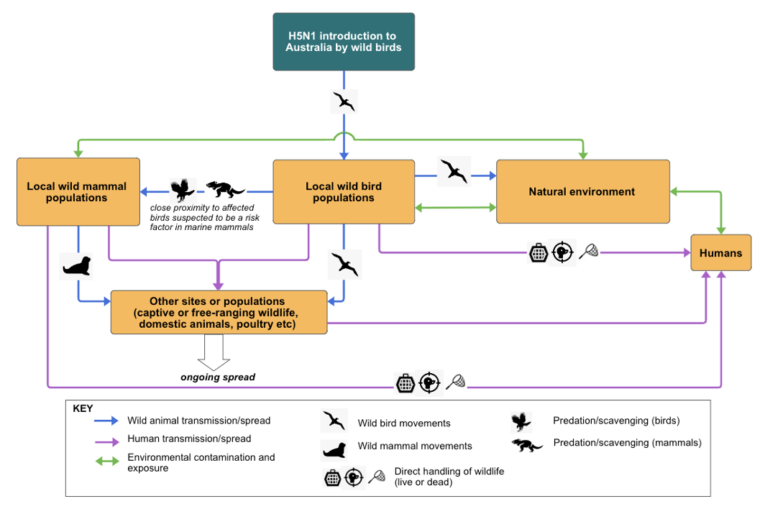
 | Y/N |  |  | Y/N | DETAILS
ANIMALS
Migratory birds |  |  | Migratory birds
Marine mammals |  |  | Marine mammals
Other free-ranging wildlife |  |  | Other free-ranging wildlife
Translocations |  |  | Translocations
Domestic poultry |  |  | Domestic poultry
Domestic birds (other) |  |  | Domestic birds (other)
Domestic carnivores |  |  | Domestic carnivores
Domestic mammals (other) |  |  | Domestic mammals (other)

PEOPLE
Staff |  |  | Staff
Volunteers |  |  | Volunteers
Researchers |  |  | Researchers
General public |  |  | General public

Other |  |  | Other
OBJECTS
Equipment |  |  | Equipment
Tools |  |  | Tools
Clothing |  |  | Clothing
Vehicles |  |  | Vehicles

Other |  |  | Other
BIOLOGICAL MATERIALS
Biological specimens |  |  | Biological specimens
Carcasses |  |  | Carcasses
Faeces |  |  | Faeces
Feed |  |  | Feed
Water |  |  | Water
Other |  |  | Other

